Location Plan & Summary
Intelligent Data Collection Limited

Client: | Bristol City Council |  |  | Date of Survey: |  | 09.07.2015
Project Number: | ID02343 |  |  | Site Name: |  | Gloucester Street
Site Number: | ANPR Site 22 |  |  | Survey Type: |  | Two-way Link Count

X Coordinate |  | Y Coordinate |  |  | Google Maps Link
51.473853 |  | -2.555915 |  |  | Click Here
AM Peak Conditions |  | Inter-Peak Conditions |  |  | PM Peak Conditions
Clear and Sunny |  | Clear and Sunny |  |  | Clear and Sunny
Junction Layout

N
 |  |  |  |  |  | Arm B - Gloucester Street (N)

 |  |  | Arm A - Gloucester Street (S)

Aerial Mapping and On-site Camera View
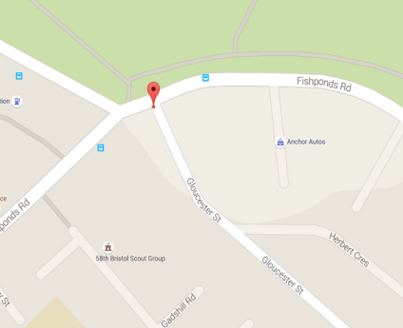

Arm A - Gloucester Street (S)

Arm B - Gloucester Street (N)

Junction Flow Profile
Arm Approach Flows (All Vehicles)
 | A to B (Northbound) | B to A (Southbound) | Two-way Total
7:00:00 | 2 | 0 | 2
7:15:00 | 2 | 3 | 5
7:30:00 | 1 | 3 | 4
7:45:00 | 3 | 2 | 5
8:00:00 | 3 | 7 | 10
8:15:00 | 3 | 6 | 9
8:30:00 | 4 | 4 | 8
8:45:00 | 1 | 4 | 5
9:00:00 | 0 | 4 | 4
9:15:00 | 0 | 2 | 2
9:30:00 | 0 | 5 | 5
9:45:00 | 0 | 6 | 6
10:00:00 | 0 | 5 | 5
10:15:00 | 2 | 5 | 7
10:30:00 | 0 | 2 | 2
10:45:00 | 3 | 3 | 6
11:00:00 | 2 | 3 | 5
11:15:00 | 2 | 3 | 5
11:30:00 | 0 | 8 | 8
11:45:00 | 0 | 5 | 5
12:00:00 | 0 | 3 | 3
12:15:00 | 2 | 6 | 8
12:30:00 | 1 | 5 | 6
12:45:00 | 0 | 5 | 5
13:00:00 | 0 | 8 | 8
13:15:00 | 2 | 4 | 6
13:30:00 | 2 | 4 | 6
13:45:00 | 0 | 4 | 4
14:00:00 | 2 | 5 | 7
14:15:00 | 0 | 7 | 7
14:30:00 | 1 | 4 | 5
14:45:00 | 1 | 8 | 9
15:00:00 | 2 | 4 | 6
15:15:00 | 0 | 8 | 8
15:30:00 | 1 | 9 | 10
15:45:00 | 1 | 6 | 7
16:00:00 | 1 | 6 | 7
16:15:00 | 2 | 11 | 13
16:30:00 | 1 | 11 | 12
16:45:00 | 1 | 9 | 10
17:00:00 | 0 | 9 | 9
17:15:00 | 3 | 18 | 21
17:30:00 | 1 | 10 | 11
17:45:00 | 2 | 14 | 16
18:00:00 | 1 | 10 | 11
18:15:00 | 1 | 13 | 14
18:30:00 | 2 | 3 | 5
18:45:00 | 0 | 2 | 2

Additional Notes (Factors which may impact on survey results such as accidents, roadworks, special events):

